Assignment
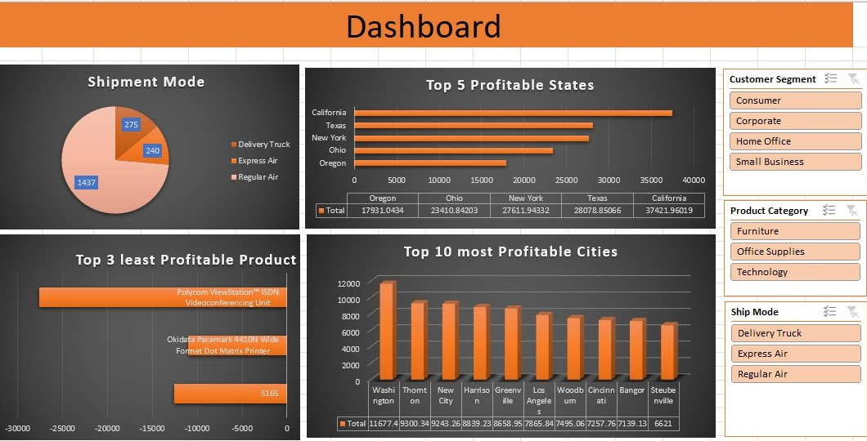
 | Import file ' Sales Data set ' with use of Power Query.
 | Sales Data set' contains 3 sheets, use Power Pivot to establish relationship, Query to Clean and upload the data into Data Model.
 | Create different Reports, Use maximum features offered in power pivot. Use Different types of appropriate Graphs/Charts
 | Use Slicers, Timeline, Formatting techniques to create a Dashboard.
 | Analyze the Dataset and Create a Dashboard.

 | Sample Reports:
 | Most Used Shipment Mode
 | Top 5 Profitable States
 | Top 3 least Profitable Product Sub- Categories
 | Top 10 most Profitable Cities

 | And any new insights you can gain out of the data

NOTE: | You can choose chart as per your preference, Below screenshot is added just for your reference

Pie Chart
Row Labels | Sum of Sales
Delivery Truck | 789235.46
Express Air | 145050.22
Regular Air | 990052.2
SHIPMENT MODE
Grand Total | 1924337.88

BarChart
Row Labels | Sum of Profit
California | 37420
New York | 27613
Ohio | 23407
Top 10 Profitable States
Oregon | 17930
Texas | 28077
Grand Total | 134447

LineChart
Row Labels | Sum of Profit
Jan | -8913
Feb | 46070
Mar | -4549
Apr | 53737
May | 68718
Jun | 58519
Jul | 10465
Grand Total | 224047

ColumnChart
Row Labels | Sum of Profit
California | 37420
New York | 27613
Texas | 28077
Sum of profit by category and subcategory
Grand Total | 93110

ColumnChart2
Row Labels | Sum of Profit
Bangor | 7139
Cincinnati | 7257
Greenville | 8660
Profitale 10 Cities
Harrison | 8840
Los Angeles | 7863
New City | 9243
Steubenville | 6621
Thornton | 9299
Washington | 11677
Woodburn | 7495
Grand Total | 84094

Sales Dashboard
Sales Dashboard

Profitale 10 Cities
 | Total
Bangor | 7139
Cincinnati | 7257
Greenville | 8660
Harrison | 8840
Los Angeles | 7863
New City | 9243
Steubenville | 6621
Thornton | 9299
Washington | 11677
Woodburn | 7495

Top 3 least Profitable sub-categories
 | Total
California | 37420
New York | 27613
Texas | 28077
SHIPMENT MODE
 | Total
Delivery Truck | 789235.46
Express Air | 145050.22
Regular Air | 990052.2

Top 10 Profitable States
 | Total
California | 37420
New York | 27613
Ohio | 23407
Oregon | 17930
Texas | 28077
Monthly Sales Trend
 | Total
Jan | -8913
Feb | 46070
Mar | -4549
Apr | 53737
May | 68718
Jun | 58519
Jul | 10465

